Area Chart
 | Bears | Dolphins | Whales
2017 | 8 | 150 | 80
2018 | 54 | 77 | 54
2019 | 93 | 32 | 100
2020 | 116 | 11 | 76
2021 | 137 | 6 | 93
2022 | 184 | 1 | 72
Wildlife Population

Column Chart
 | Bears | Dolphins | Whales
2017 | 8 | 150 | 80
2018 | 54 | 77 | 54
2019 | 93 | 32 | 100
2020 | 116 | 11 | 76
2021 | 137 | 6 | 93
2022 | 184 | 1 | 72

Bar Chart
Reasons for Late | Frequency
I got stuck in traffic | 3
It was too dark, I though it was still nighttime | 2
I forgot to set my alarm | 5
I thought it was Friday | 2
I had no clean pants to wear | 4

Line Chart
 | Tyres | Tubeless Tyres
2011 | 5987 | 2343
2012 | 3456 | 3456
2013 | 3200 | 4575
Tire Trends
2014 | 3020 | 5786
2015 | 2988 | 8764
2016 | 2500 | 9838
2017 | 2488 | 10998

Pie Chart
 | Bears | Dolphins | Whales
2017 | 8 | 150 | 80
2018 | 6 | 234 | 56

Combination Chart
Month | Days Opened | Profit
Jan | 12 | $3,574
Feb | 11 | $4,708
Mar | 10 | $5,332
Apr | 9 | $6,693
May | 8 | $8,843
Jun | 6 | $12,347
Jul | 4 | $15,180
Aug | 6 | $11,198
Sep | 7 | $9,739
Oct | 8 | $9,846
Nov | 10 | $6,620
Dec | 11 | $5,085

Thermometer Chart
Day | Sales
1 | 10
2 | 8
3 | 9
Live Chart
4 | 0
5 | 0
6 | 64
7 | 0
8 | 0
9 | 0
10 | 0

Achieved | 91
Goal | 100

 | 91%

Error Handling
ERROR HANDLING

1) | ##### error | Back Home
 | When your cell contains this error code, the column isn't wide enough to display the value
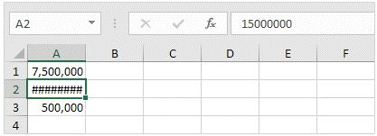

Increase the width of the column

2) | #NAME? error
 | The #NAME? error occurs when Excel does not recognize text in a formula.

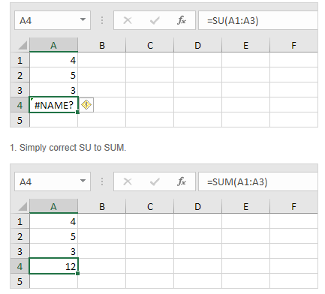

3) | #VALUE! error
 | Excel displays the #VALUE! error when a formula has the wrong type of argument

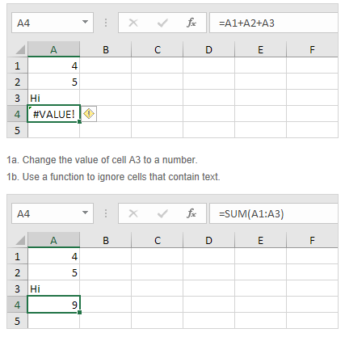

4) | #DIV/0! Error
 | Excel displays the #DIV/0! error when a formula tries to divide a number by 0 or an empty cell.
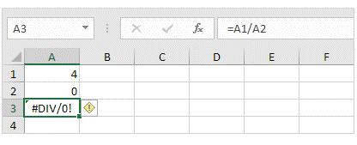

 | `
 | 1b. Prevent the error from being displayed by using the logical function IF or IFERROR.

5) | #REF! error
 | Excel displays the #REF! error when a formula refers to a cell that is not valid.

 | 1. Cell C1 references cell A1 and cell B1.

 | 2. Delete column B. To achieve this, right click the column B header and click Delete.
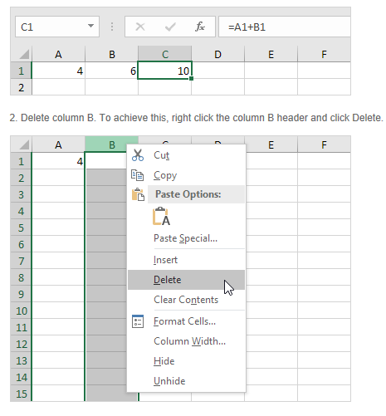

 | 3. Select cell B1. The reference to cell B1 is not valid anymore.

